SiamCRNN Overall
Method | F1loc (%) | F1clf (%) | OA (%) | mIoU (%) | Background | Intact | Damaged | Destroyed
SiamCRNN | 89.11 | 72.12 | 95.83 | 66.13 | 96.49 | 73.63 | 40.22 | 54.17
SiamCRNN + CutMix 0.25 | 89.05 | 72.15 | 95.85 | 66.36 | 96.49 | 73.67 | 39.2 | 56.09
SiamCRNN + CutMix 0.3 | 89.3 | 72.29 | 95.87 | 66.33 | 96.55 | 73.79 | 39.62 | 55.38
SiamCRNN + CMCA | 88.85 | 72.85 | 95.75 | 66.25 | 96.42 | 73.12 | 41.26 | 54.21
SiamCRNN + CMCA + CutMix 0.25 | 89.04 | 73.13 | 95.75 | 66.52 | 96.41 | 73.49 | 40.1 | 56.06
SiamCRNN + CMCA + CutMix 0.3 | 89.15 | 72.3 | 95.82 | 66.5 | 96.49 | 73.63 | 39.07 | 56.83

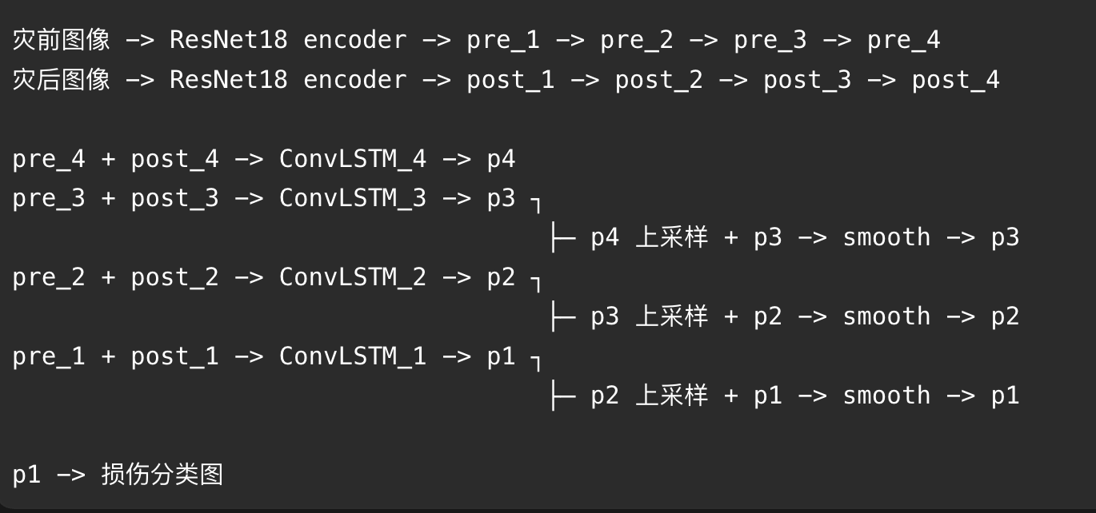

 |  |  |  |  |  |  | 上采样：低分辨->高分辨率

DeepLabV3Plus
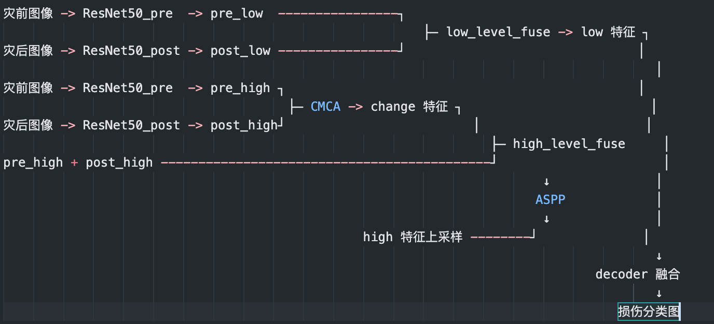
Method | F1loc (%) | F1clf (%) | OA (%) | mIoU (%) | Background | Intact | Damaged | Destroyed
DeepLabV3Plus | 87.36 | 69.91 | 95.39 | 63.85 | 96.05 | 70.82 | 37.06 | 51.45
DeepLabV3Plus + CutMix 0.25 | 87.68 | 71.77 | 95.53 | 65.25 | 96.1 | 71.81 | 39.8 | 53.3
DeepLabV3Plus + CutMix 0.3 | 86.59 | 68.24 | 95.37 | 63.46 | 95.93 | 70.3 | 37.56 | 50.04
DeepLabV3Plus + CMCA | 87.71 | 69.76 | 95.56 | 64.83 | 96.23 | 71.14 | 38.18 | 53.76
DeepLabV3Plus + CMCA + CutMix 0.25 | 88.79 | 71.22 | 95.8 | 65.79 | 96.44 | 73.32 | 39.26 | 54.12
DeepLabV3Plus + CMCA + CutMix 0.3 | 88.45 | 70.87 | 95.72 | 65.2 | 96.36 | 72.89 | 40.2 | 51.35

